ALU Logic
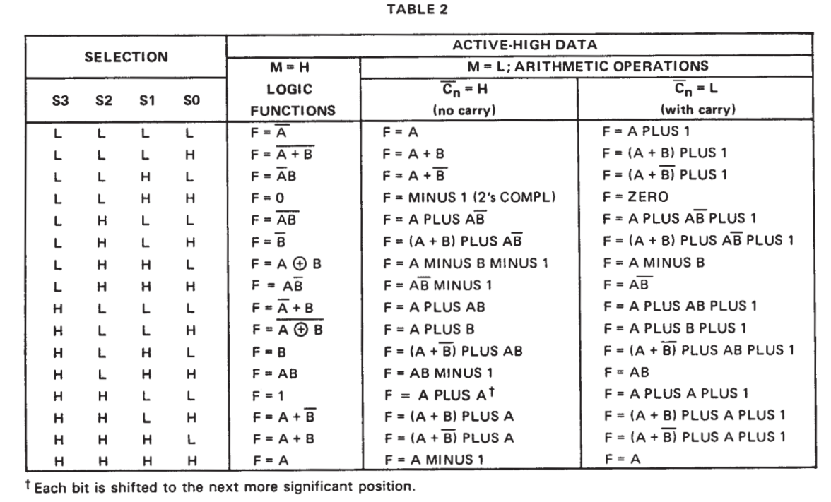
OPN | DECIMAL | BINARY
INC | 0 | 000000
ALU_A | 1 | 000001
NOT | 2 | 000010
ZERO | 12 | 001100
SUB | 24 | 011000
SBB | 25 | 011001
XOR | 26 | 011010
ADC | 36 | 100100
ADD | 37 | 100101
ALU_B | 42 | 101010
AND | 46 | 101110
SHL | 49 | 110001
OR | 58 | 111010
DEC | 61 | 111101

Memory Logic
Memory Truth Table
 | PLD Inputs |  |  | PLD Outputs |  |  |  |  |  | Memory Bus
Mode | RAM | MEM_CLK | #MEM_OE | #ROM_CE | #ROM_OE | #ROM_WE | #RAM_CE | #RAM_OE | #RAM_WE | ROM I/O | RAM I/O
Standby | X | L | H | H | H | H | H | H | H | High Z | High Z
ROM Read | L | L | L | L | L | H | H | H | H | Dout | High Z
RAM Read | H | L | L | H | H | H | L | L | H | High Z | Dout
RAM Write | H | H | H | H | H | H | L | H | L | High Z | Din

RAM

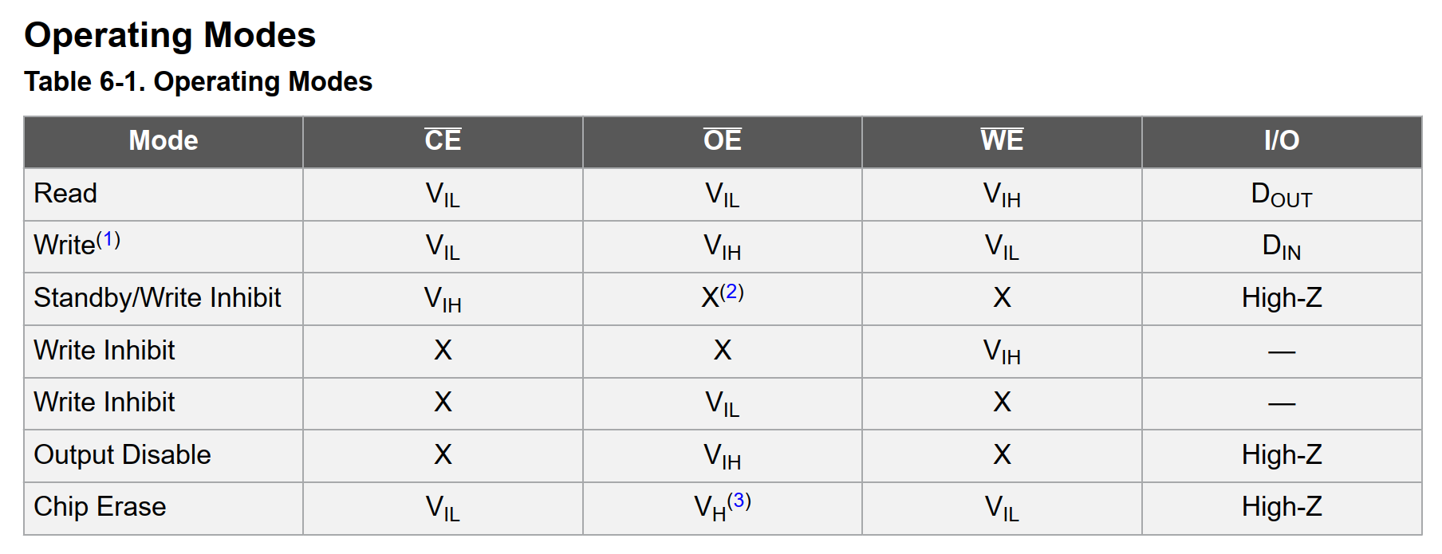
ROM

 | PLD Inputs |  |  | PLD Outputs |  |  |  |  |  | Memory Bus
Mode | RAM | MEM_CLK | #MEM_OE | !ROM_CE | !ROM_OE | !ROM_WE | !RAM_CE | !RAM_OE | !RAM_WE | ROM I/O | RAM I/O
Standby | X | !MEM_d | !MEM_oe | H | H | H | H | H | H | High Z | High Z
ROM Read | !RAM | !MEM_d | MEM_oe | L | L | H | H | H | H | Dout | High Z
RAM Read | RAM | !MEM_d | MEM_oe | H | H | H | L | L | H | High Z | Dout
RAM Write | RAM | MEM_d | !MEM_oe | H | H | H | L | H | L | High Z | Din

 |  |  |  | !ROM_CE = | !ROM_OE = | !ROM_WE = | !RAM_CE = | !RAM_OE = | !RAM_WE =
 |  |  |  | X & !MEM_d & !MEM_oe # | X & !MEM_d & !MEM_oe # | X & !MEM_d & !MEM_oe # | X & !MEM_d & !MEM_oe # | X & !MEM_d & !MEM_oe # | X & !MEM_d & !MEM_oe #
 |  |  |  |  |  | !RAM & !MEM_d & MEM_oe # | !RAM & !MEM_d & MEM_oe # | !RAM & !MEM_d & MEM_oe # | !RAM & !MEM_d & MEM_oe #
 |  |  |  | RAM & !MEM_d & MEM_oe # | RAM & !MEM_d & MEM_oe # | RAM & !MEM_d & MEM_oe # |  |  | RAM & !MEM_d & MEM_oe #
 |  |  |  | RAM & MEM_d & !MEM_oe # | RAM & MEM_d & !MEM_oe # | RAM & MEM_d & !MEM_oe # |  | RAM & MEM_d & !MEM_oe #

